Ankerstange - Threaded Stud
Determination of Quantity of Injection Adhesive Requirement
for anchorings into concrete and solid base materials

Company:
Name: |  |  |  | Date: | 2021-04-12
Phone: |  |  | Project:
Email: |  |  | Person in Charge:

Mortar: | VMU plus
Size of cartridge: | 585 | ml | Please check content of cartridge!
Threaded stud: | M16
Drill bit: (selected) | Ø 18
Depth of drill hole: | 100 | mm
Number of holes: | 1 | piece

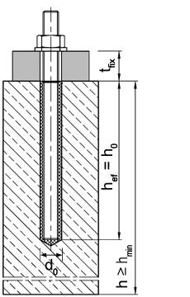
Drill bit: (recommended) | Ø 18
Volume of drill hole: | 26.59 | cm³

Volume of threaded stud: | 15.70 | cm³

Adhesive volume: | 10.89 | ml
 |  |  |  |  | l
Adhesive requirement including excess adhesive
Requirement: | 13.61 | ml

Total adhesive requirement: | 13.61 | ml | equal to: 0,01 l

Number of anchors per cartridge: | 40.04 | pieces

Number of cartridges required:

Innengewinde - Internal thread
Determination of Quantity of Injection Adhesive Requirement
for anchorings into concrete and solid base materials

Company:
Name: |  |  |  | Date: | 2021-04-12
Phone: |  |  | Project:
Email: |  |  | Person in Charge:

Mortar: | VMU plus
Size of cartridge: | 585 | ml | Please check content of cartridge!
Internally threaded sleeve: | VMU-IG M8
Drill bit: (selected) | Ø 14
Depth of drill hole: | 200 | mm
Number of holes: | 100 | pieces
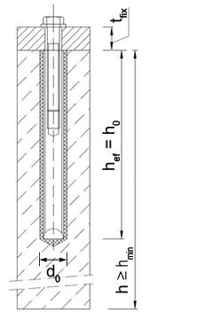
Drill bit: (recommended) | Ø 14
Volume of drill hole: | 32.57 | cm³

Volume of extension pipe: | 10.81 | cm³
Volume of sleeve: | 16.86 | cm³

Adhesive volume: | 15.71 | ml
 |  |  |  |  | l
Adhesive requirement including excess adhesive
Requirement: | 19.64 | ml

Total adhesive requirement: | 1964.00 | ml | equal to: 1,96 l

Number of anchors per cartridge: | 27.75 | pieces

Number of cartridges required:

Bewehrungsstahl - Rebar
Determination of Quantity of Injection Adhesive Requirement
for anchorings into concrete and solid base materials

Company:
Name: |  |  |  | Date: | 2021-04-12
Phone: |  |  | Project:
Email: |  |  | Person in Charge:

Mortar: | VMU plus
Size of cartridge: | 440 | ml | Please check content of cartridge!
Ribbed rebar: | Ø 24
Drill bit: (selected) | Ø 32
Depth of drill hole: | 1000 | mm
Number of holes: | 1 | piece
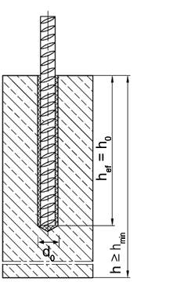
Drill bit: (recommended) | Ø 30
Volume of drill hole: | 824.48 | cm³

Volume of extension pipe: | 102.20 | cm³
Volume of ribbed rebar: | 452.39 | cm³

Adhesive volume: | 372.09 | ml
 |  |  |  |  | l
Adhesive requirement including excess adhesive
Requirement: | 446.51 | ml

Total adhesive requirement: | 446.51 | ml | equal to: 0,45 l

Number of anchors per cartridge: | 0.90 | piece

Number of cartridges required:

